Pharma corex spares
S. No | Material Description | Technical Specifications | Product Image | Part Number | Special Requirements / Customer Notes
RSD
1 | Hastelloy Thermocouple include | MOC: Hastelloy Length: 800 mm Dia:1 mm K-type Thermocouple | 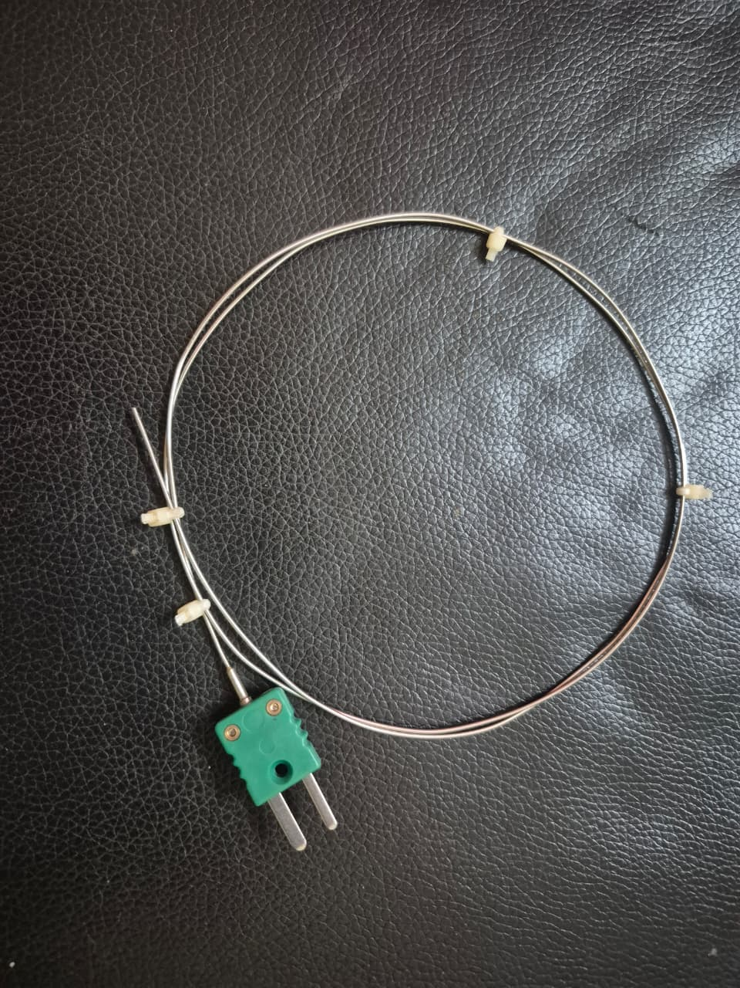 | PCX-HASTEL-002
 | SS Thermocouple | MOC: SS 316L Length: 800 mm Dia:1 mm K-type Thermocouple |  | PCX-SSTHER-003
 | Inconel Thermocouple | MOC: Inconel 600 Length: 800 mm Dia:1 mm K-type Thermocouple |  | PCX-INCONE-004
2 | 1/16 Hastelloy/SS316 Pressure line (75 c.m) | MOC: Hastelloy/SS316 Size: 1/16" (75 c.m) | 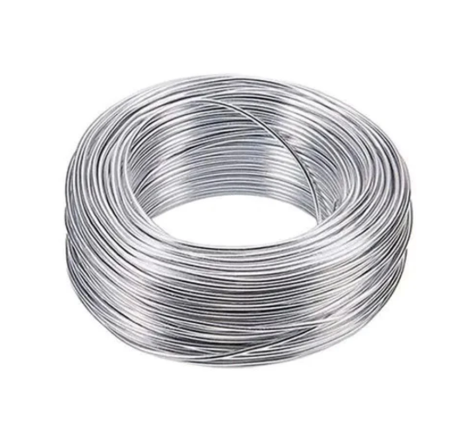 | PCX-116HAS-005
3 | Bulkhead fitting for Pressure Transducer | MOC: SS-316 Length:25mm | 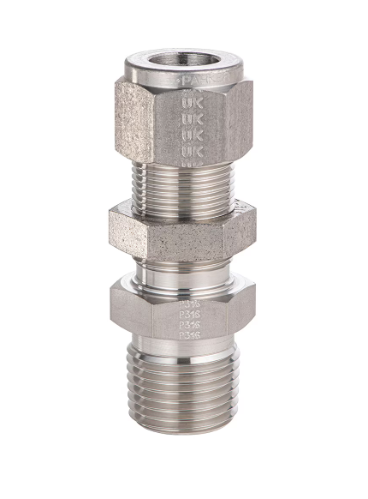 | PCX-BULKHE-006
4 | Reducing union SS316 1/8 to 1/16 Pressure line union connector. | MOC: SS 316 | 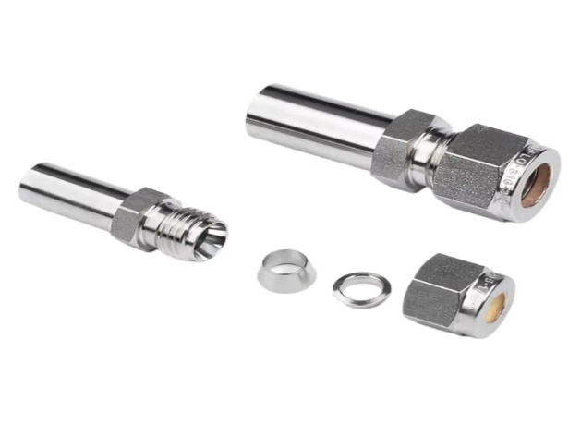 | PCX-REDUCI-007
5 | 1/4 to 1/16 Connector for Head Manifold to pressure line | MOC: SS 316 | 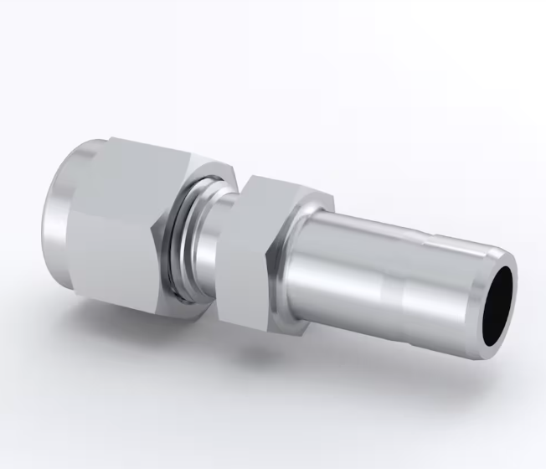 | PCX-14TO11-008
6 | Pressure Transducer- 160 bar | pressure: 160bar | 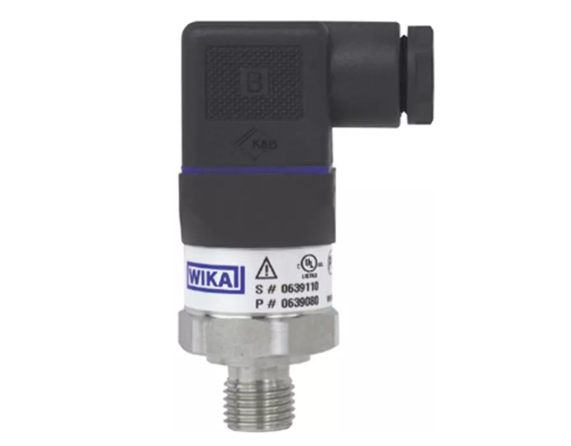 | PCX-PRESSU-009
7 | 1/4" Nut | MOC: SS 316 | 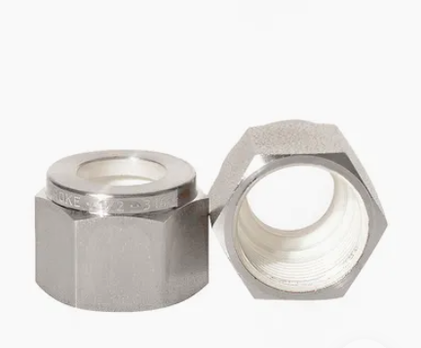 | PCX-14NUT-010
8 | 1/4" Nut & Ferrule | MOC: SS 316 | 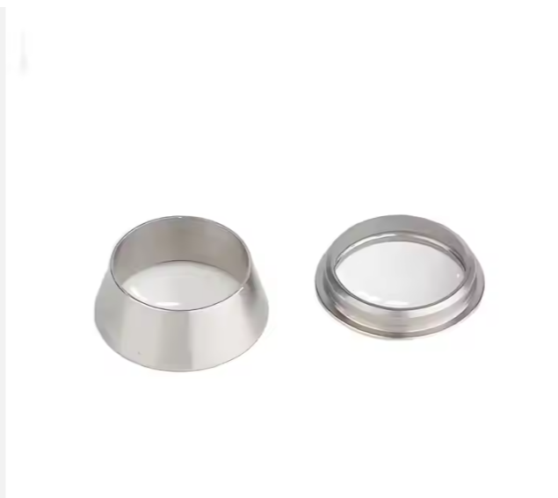 | PCX-14NUTF-011
9 | 1/8" Nut | MOC: SS 316 |  | PCX-18NUT-012
10 | 1/8" Ferrule Set | MOC: SS 316 |  | PCX-18FERR-013
11 | 1/16" Nut | MOC: SS 316 |  | PCX-116NUT-014
12 | 1/16" Ferrule Set | MOC: SS 316 Front Ferrule & Back Ferrule |  | PCX-116FER-015
ESARC
13 | 1/16 SS Pressure line (75 c.m) | MOC: SS Size: 1/16" (75 c.m) |  | PCX-116SSP-016
14 | 1/4'' to 1/16'' NPT | MOC: SS 316 | 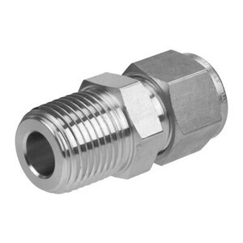 | PCX-14TO11-017
15 | 1/8'' to 1/16'' Pressure fitting union | MOC: SS 316 | 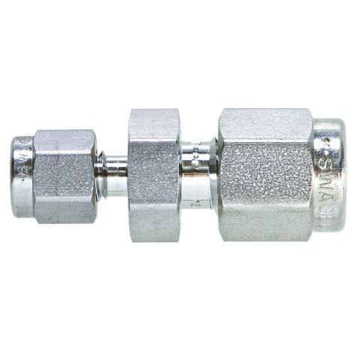 | PCX-18TO11-018
16 | 1 mm nut and ferrule set | MOC: SS 1 Nut/1Front Ferrule/1 Back Ferrule | 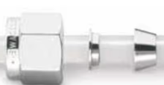 | PCX-1MMNUT-019
ARSST K type Thermocouple
17 | ARS Thermocouple, Hastelloy | Total Length: 8cm's MOC: Hastelloy Thickness: 1mm | 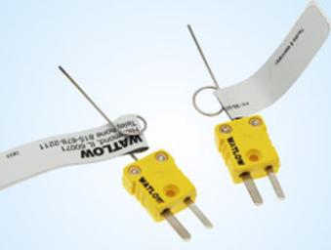 | PCX-ARSTHE-020
 | ARS Thermocouple, Stainless steel | Total Length: 8cm's MOC: 316SS Thickness: 1mm |  | PCX-ARSTHE-021
 | ARS Thermocouple, Inconel | Total Length: 8cm's MOC: Inconel Thickness: 1mm |  | PCX-ARSTHE-022
18 | ARS Thermocouple, Hastelloy, Straight | Length: 300 mm MOC: Hastelloy Thickness:1mm | 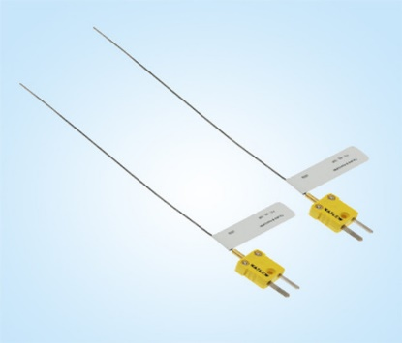 | PCX-ARSTHE-023
19 | ARS Closed Test Cell, Hastelloy thermocouple | Probe Lenth: 21Cms Dia:1mm MOC: Hastelloy | 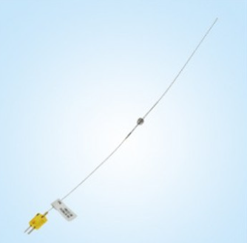 | PCX-ARSCLO-024
20 | ARS Test Cell, | MOC:SS,Hastelloy,Titanium & ALLUMINIUM 0.8mm (0.032") wall test-cell with 6.4mm (¼") OD | 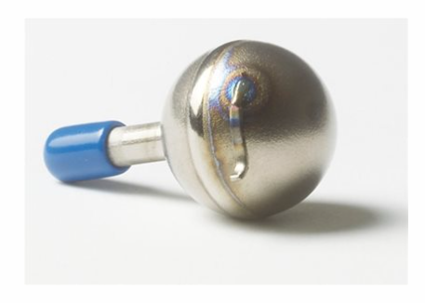 | PCX-ARSTES-025
21 | ARS Tubing Connector, 316SS, 1/8" to 1/8" | Type : 1/8" to 1/8" connector MOC: SS 316 | 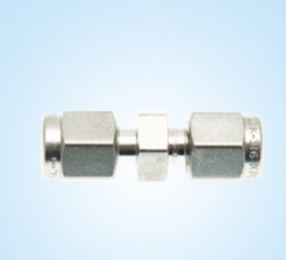 | PCX-ARSTUB-026
22 | ARS Tubing Connector, 316SS, 1/8" to 1/4" | Type : 1/8" to 1/4" connector MOC: SS 316 | 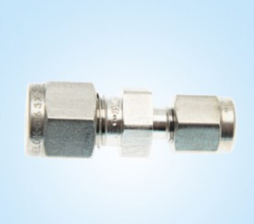 | PCX-ARSTUB-027
23 | ARS Tubing Connector, 316SS, 1/8" to 5/16" | Type : 1/8" to 5/16" connector MOC: SS 316 | 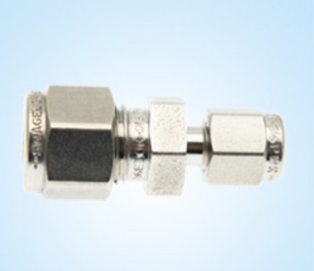 | PCX-ARSTUB-028
24 | Digital Pressure Calibration Gauge | Company: Comp electronics Model: DPG1000B1000psig-5 Range: 0-1000psig | 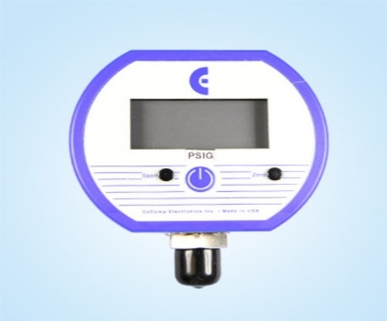 | PCX-DIGITA-029
25 | 4-way 1/4'' line | 1/4 inches | 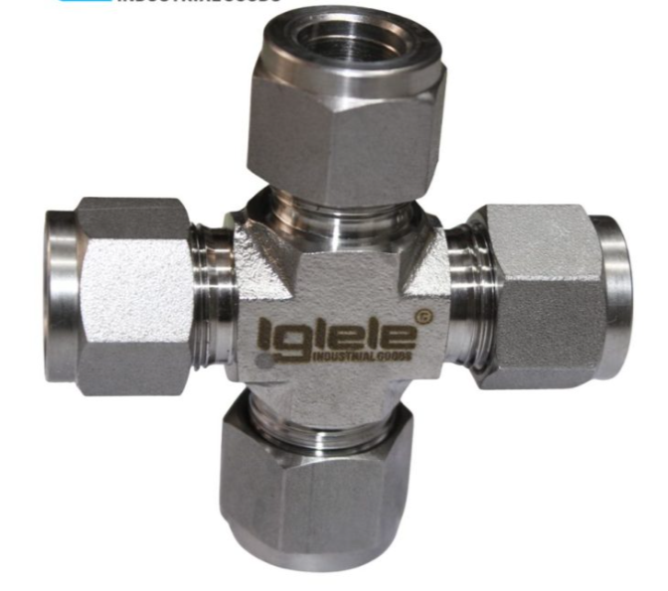 | PCX-4WAY14-030
Tsu
26 | K TYPE T-COUPLE SINGLE 1.5 200mm-Hastelloy | Temperature Acuuracy : Thick ness: 1.5 mm Length: 200 mm MOC:Hastelloy | 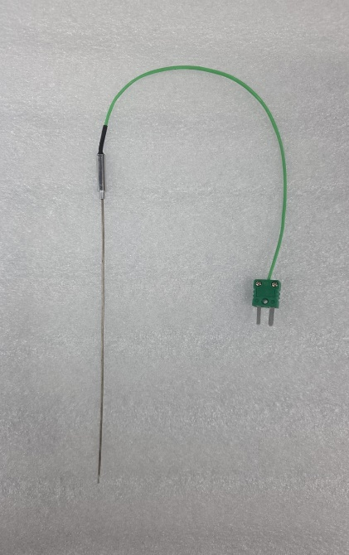 | PCX-KTYPET-031
27 | Ball Valve, 2-way, 1/4" | 2-way, 1/4" | 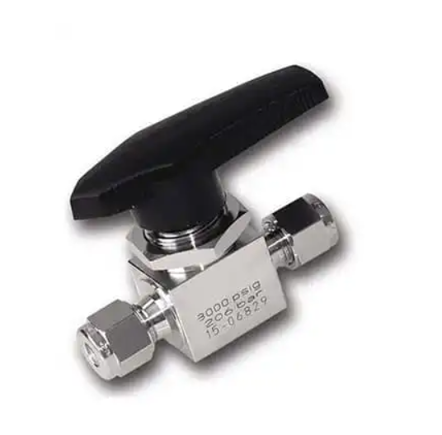 | PCX-BALLVA-032
Dust Explosion with Minimum Ignition Energy
28 | Acrylic Modified Hartmann Tube. | Height: 31.4 c.m Dia outer: 7.2 c.m Dia inner: 6.4 c.m Thick ness:0.4(edges)-0.6 (Inside) c.m Along with 2 side holes. | 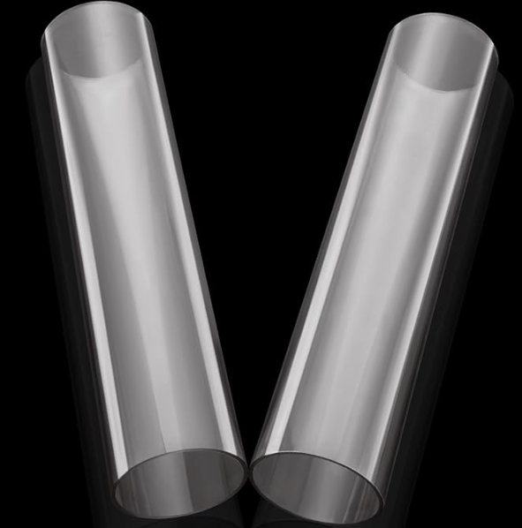 | PCX-ACRYLI-033
29 | MIE brass electrodes Hartman | MOC:Brass | 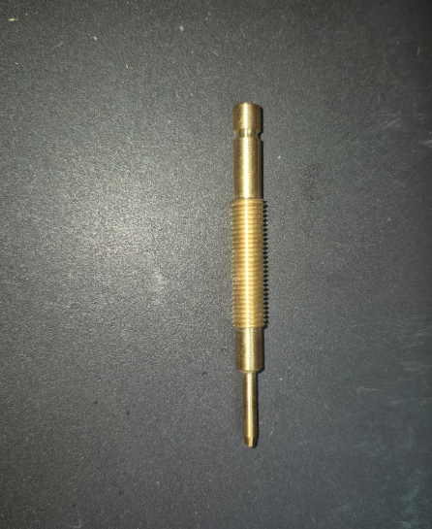 | PCX-MIEBRA-034
POWDER VOLUME RESISTIVITY TEST APPARATUS
30 | Glass Stoppers | Length : 40 mm Width : 6 mm Purity:9.97% MOC: Quartz | 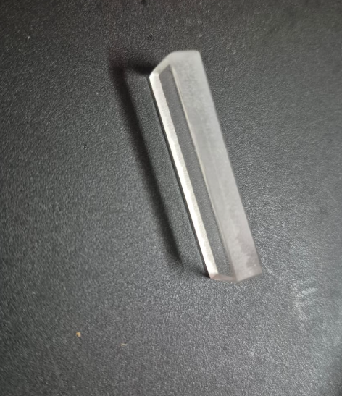 | PCX-GLASSS-035
MINIMUM IGNITION TEMPERATURE APPARATUS
31 | Furnace test tubes | Tube material : quartz/Ceramic tube Tube position : Horizantal Heating zone length : 205mm Tube diametere : 40mm | 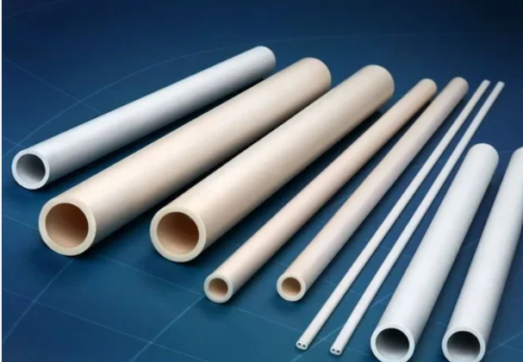 | PCX-FURNAC-036
32 | K TYPE T-COUPLE TWIN 1.5 200mm (Stainless steel) | Length: 200 mm Thickness: 1.5 mm MOC: SS | 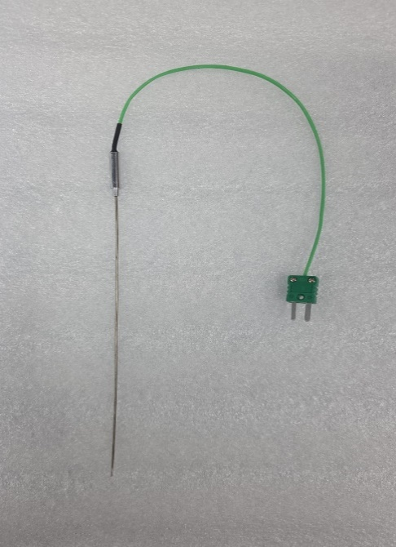 | PCX-KTYPET-037
 | K TYPE T-COUPLE TWIN 1.5 200mm (Inconel) | Length: 200 mm Thickness: 1.5 mm MOC: Inconel |  | PCX-KTYPET-038
33 | K TYPE T-COUPLE SINGLE/TWIN 1.5 200mm (Hastelloy) | Length: 200 mm Thickness: 1.5 mm MOC: Hastelloy | 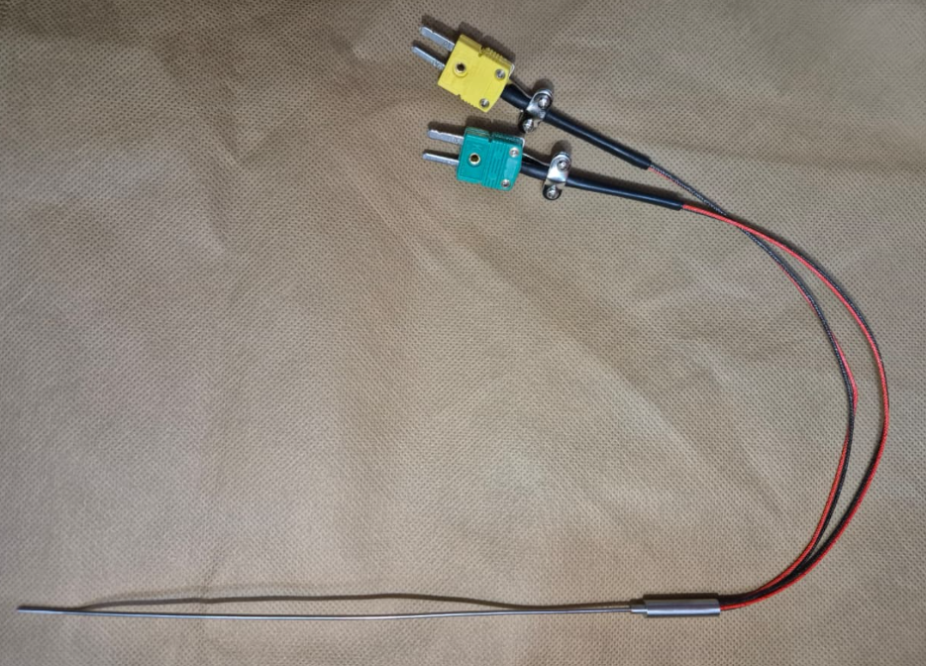 | PCX-KTYPET-039
 | K TYPE T-COUPLE SINGLE/TWIN 1.5 200mm (Stainlee steel) | Length: 200 mm Thickness: 1.5 mm MOC: SS |  | PCX-KTYPET-040
 | K TYPE T-COUPLE SINGLE/TWIN 1.5 200mm (Inconel) | Length: 200 mm Thickness: 1.5 mm MOC: Inconel |  | PCX-KTYPET-041
DSC
34 | High Pressure 20uL Gold Plated Crucible (DSC-M20) | Crucible, M20 Gold Plating: 10 µm, Internal volume: 20 μl | 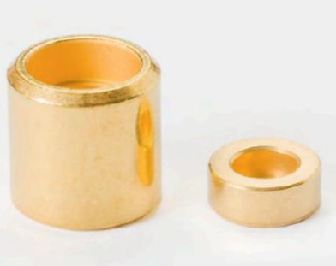 | PCX-HIGHPR-042
 | High Pressure 40uL Gold Plated Crucible | Mass: ~1.22 g; Height: 5.5 mm; Diameter: 6.8 mm; Volume: ~40 microliters |  | PCX-HIGHPR-043
35 | SS-Coated Crucible DSC F50 | Mass: ~1.4 g; Dimensions (height/diameter): 5.9 mm / 7.0 mm Sealing pressure: 4kN; Max operation pressure: 217 bar; Max operation temp; 400°C; Internal volume: 50 μl | 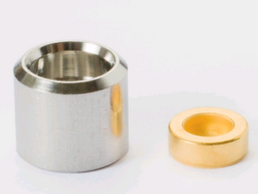 | PCX-SSCOAT-044
36 | Crucible with bottom pin, gold plating: 5 μm | Mass: ~1.50g; Dimensions (height/diameter): 5.9 mm / 7.0 mm. Sealing pressure: 10kN. Max operation pressure: ~200 bar. Max operation temp; 400°C. Internal volume: ~50 μl | 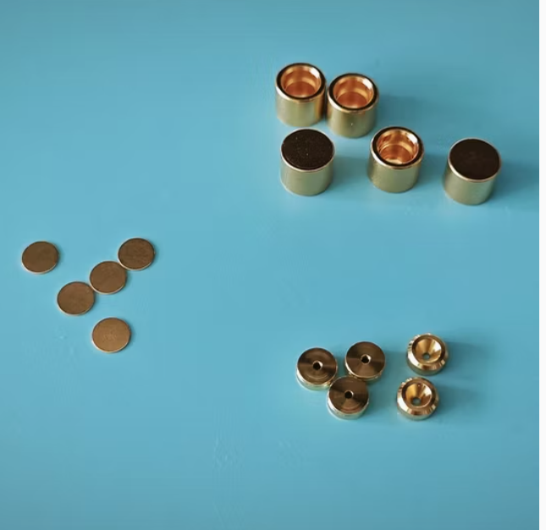 | PCX-CRUCIB-045
37 | Crucible, gold plating: 5 μm | Mass: ~1.50g; Dimensions (height/diameter): 5.9 mm / 7.0 mm. Sealing pressure: 10kN. Max operation pres: ~200 bar. Maxoperation temp; 400°C. Internal volume: ~50 μl | 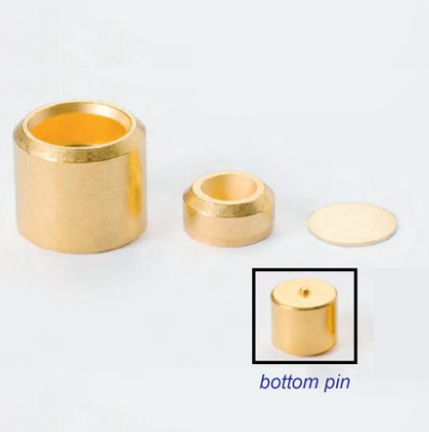 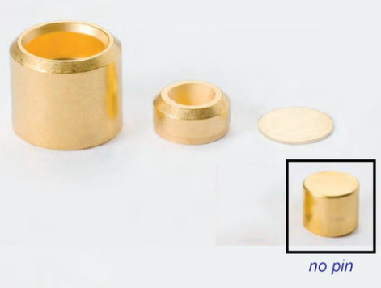 | PCX-CRUCIB-046
38 | Tzero Aluminum pan with Tzero lid | MOC: Aluminium | 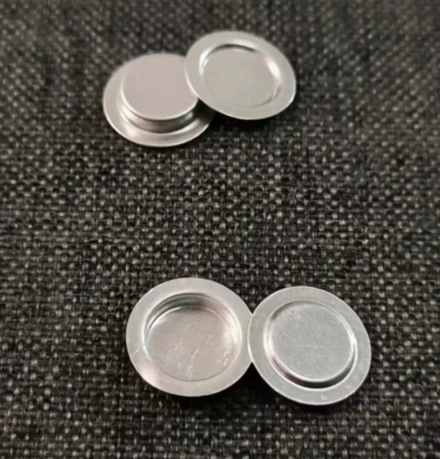 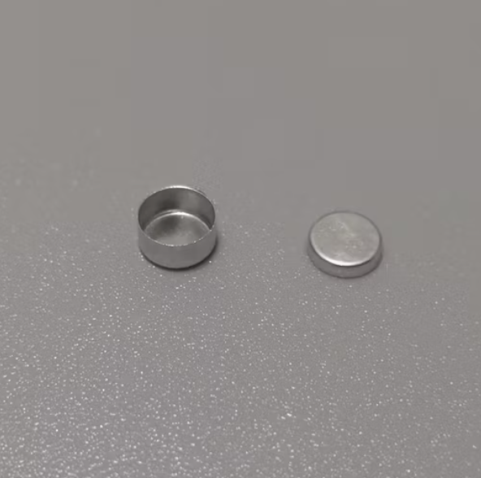 | PCX-TZEROA-047
39 | Tzero Aluminum pan with Tzero Hermitic lid | MOC: Aluminium |  | PCX-TZEROA-048
40 | Pressure Transducer | UNIK 5000 Series Presure Transducer Range:0-350 M Bar | 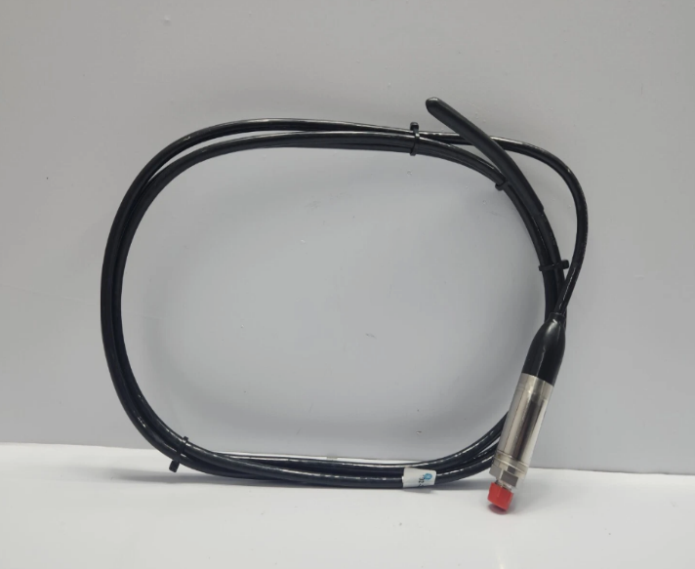 | PCX-PRESSU-049
41 | Silicon Oil | CST-10 CST-20 | 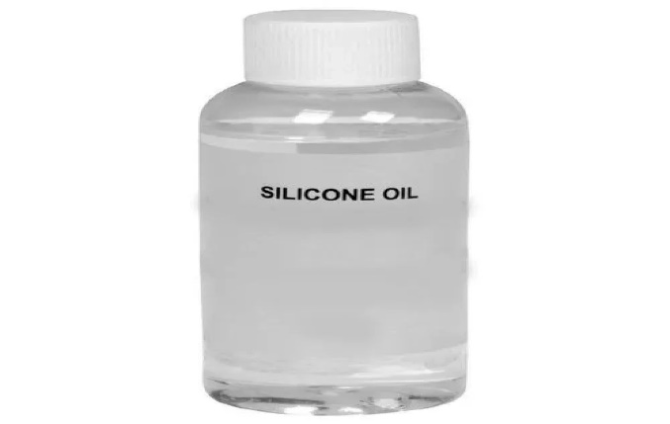 | PCX-SILICO-050
42 | Silicon Oil | High Temparature Silicon Oil Range:250 to 320 Deg |  | PCX-SILICO-051
43 | Teflon sensors | MOC:Teflon PT-100 -70 to 300 Deg | 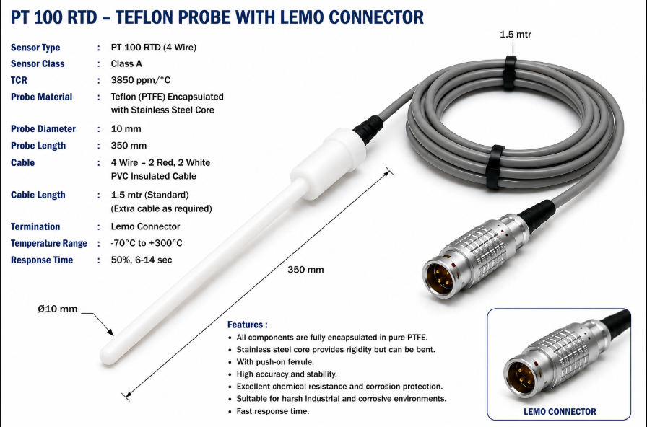 | PCX-TEFLON-052
44 | Glass sensors | MOC:Glass,Hastelloy C-22 PT-100 -70 to 300 Deg | 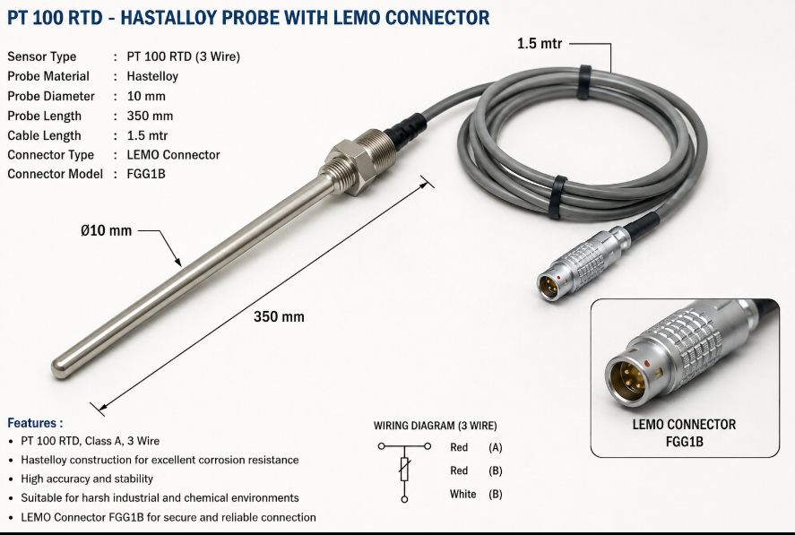 | PCX-GLASSS-053 PCX-H22-053
Process Equipments
45 | Agitated Nutsche Filter Drye (ANFD) | MOC:SS316/Hastelloy Lab Scale 3 Lit to 5 Liters | 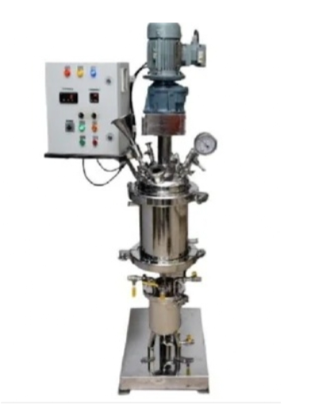 | PCX-AGITAT-054
46 | Rotary Cone Vacuum Dryer (RCVD) | MOC:SS316/Hastelloy Lab Scale 3 Lit to 5 Liters | 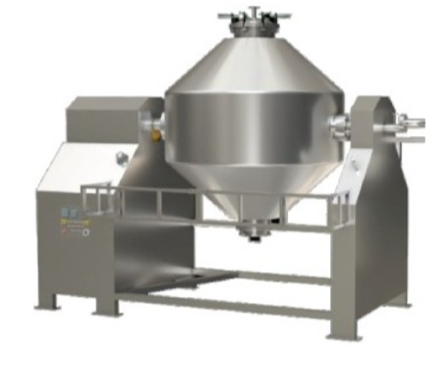 | PCX-ROTARY-055
47 | Fluidized Bed Drier (FBD) | Bowl Spec:R&amp;D Model Material Feed &gt; 100 µm Glass Bowl Bowl Capacity 6 lit Material Feed &gt; 100 µm MOC- Glass Container volume 0.3 lit X 3 | 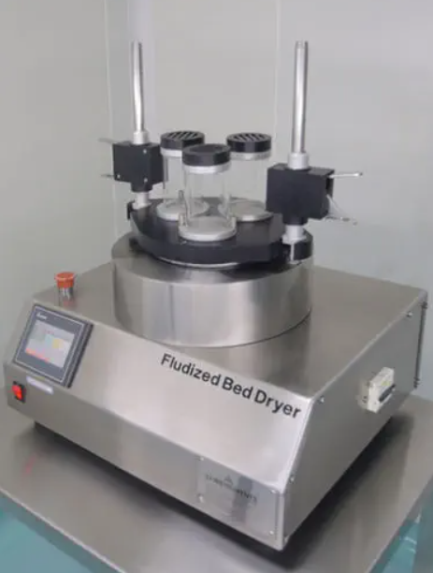 | PCX-FLUIDI-056
 | Presssure Nutch Filter | MOC:SS316/Hastelloy and Haller Lab Scale 3 Lit to 5 Liters | 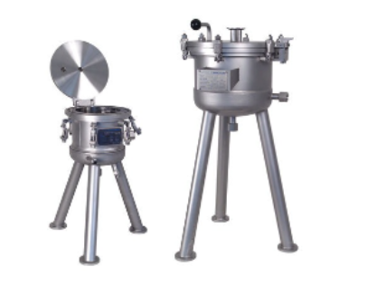 | PCX-PRESSS-057

